Table 23
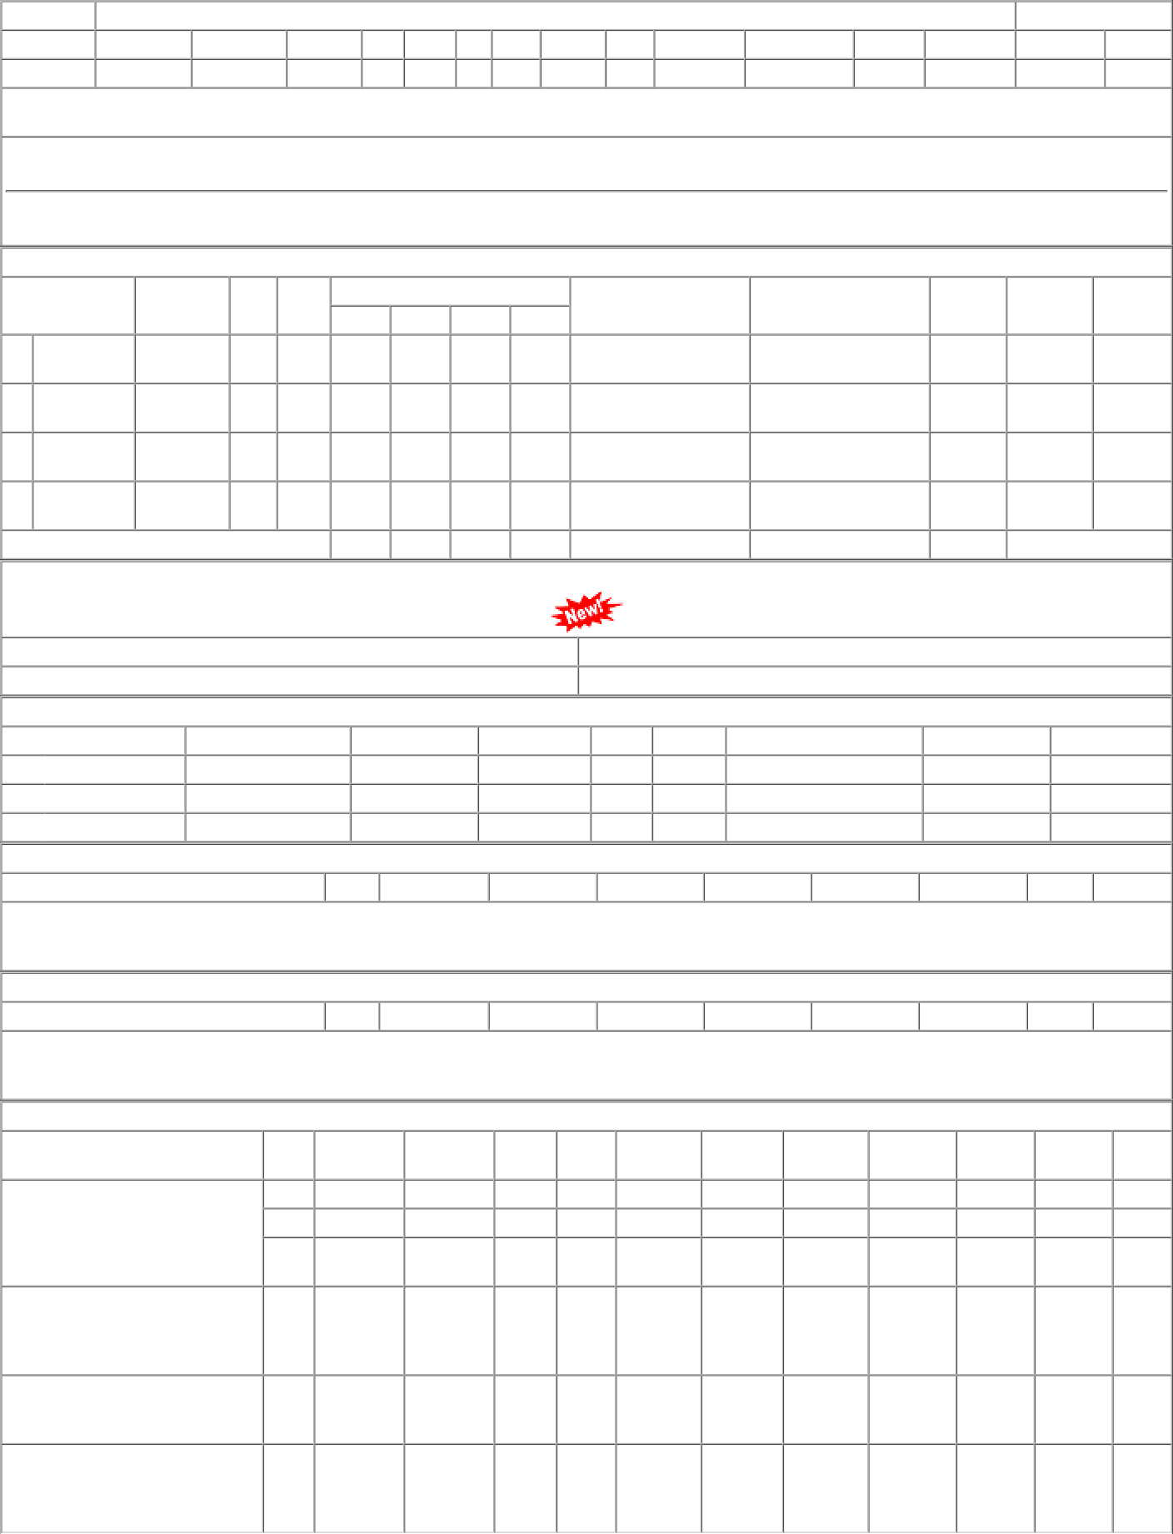
P.O.No.15211098105794 dt.18/11/21 on M/s.MOHINDRA ENTERPRISES-JALANDHAR PO-CAT:[ Reg ] P.O.No.78211156100415 dt.05/09/21 on M/s.MOHINDRA ENTERPRISES-JALANDHAR PO-CAT:[ Reg ] P.O.No.78211146800386 dt.18/08/21 on M/s.Controller of Stores, JAIPUR PO-CAT:[ Reg ] P.O.No.78211129800354 dt.30/07/21 on M/s.PCMM Office, Central Railway, Mumbai - 400001 PO-CAT:[ Reg ] | 001 002 003 001 001 002 | PL-CR BVPW PRTN- CW BVPW BVPW BVPW | 110.67 108.31 107.13 103.27 95.40 75.27 | 2665 4164 1380 500 50 50 | Set 0 Set 0 Set 0 Set 0 Set 0 Set 0 | 0 2668 0 4350 0 1392 0 500 0 50 0 50 | 31/07/22 31/07/22 31/07/22 04/11/21 17/10/21 28/09/21 | 01/04/22 31/07/22 OP 01/04/22 31/07/22 OP 01/04/22 31/07/22 OP 20/11/21 OP 17/10/21 OP 08/10/21 OP

